EXAMPLE
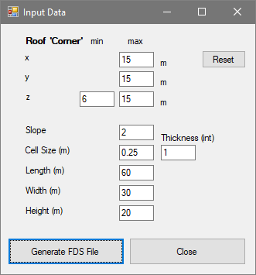
max z | 15 | Distance from corner | 8.87 | (x or y)
min z | 10.18 | Factor | 0.012710211002
 |  | Slope | 2
y | Z()
0 | 15
1 | 14.938736783
2 | 14.754947132
3 | 14.448631047
4 | 14.019788528
5 | 13.468419574
6 | 12.794524187
7 | 11.998102365
0 | 15
1 | 14.938736783
2 | 14.754947132
3 | 14.448631047
4 | 14.019788528
5 | 13.468419574
6 | 12.794524187
7 | 11.998102365
8 | 11.07915411
9 | 10.18
10 | 10.18
11 | 10.18
12 | 10.18
13 | 10.18
14 | 10.18
15 | 10.18
16 | 10.18
17 | 10.18
18 | 10.18
19 | 10.18
20 | 10.18
21 | 10.18
22 | 10.18
23 | 10.18
24 | 10.18
25 | 10.18
26 | 10.18
8 | 11.07915411
9 | 10.18
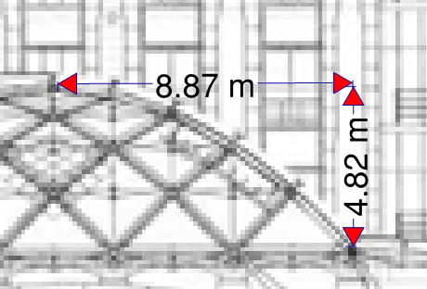
Center of the roof (flat portion). This can be zero area if the x and y point to the centre of the roof.
10 | 10.18
11 | 10.18
12 | 10.18
13 | 10.18
14 | 10.18
15 | 10.18
Y
16 | 10.18
17 | 10.18
18 | 10.18
19 | 10.18
X
20 | 10.18
21 | 10.18
22 | 10.18
23 | 10.18
24 | 10.18
25 | 10.18 |  |  |  | Highest point of roof: Set-
26 | 10.18 |  |  |  | X
 |  | This is a section of the roof as an example. |  |  | Y
 |  |  |  |  | Z(max)

